Rules
Baggage Rules, 2016 | [M.F.(D.R.) Notification No. 30/2016-Cus. (N.T.) dated 1-3-2016 as amended]

 | In exercise of the powers conferred by section 79 of the Customs Act, 1962 (52 of 1962),and in supersession of the Baggage Rules, 1998, except as respects things done or omitted to be done before such supersession, the Central Government hereby makes the following rules, namely:-

Rule 1. Short title and commencement . - | (1) These rules may be called the Baggage Rules, 2016.

 | (2) They shall come into force on the 1st day of April, 2016.

Rule 2. Definitions. - | (1) In these rules, unless the context otherwise requires,-

 | (i) "Annexure" means Annexure appended to these rules;

 | (ii) "family" includes all persons who are residing in the same house and form part of the same domestic establishment;

 | (iii) "infant" means a child not more than two years of age;

 | (iv) "resident" means a person holding a valid passport issued under the Passports Act, 1967 (15 of 1967) and normally residing in India;

 | (v) "tourist" means a person not normally resident in India, who enters India for a stay of not more than six months in the course of any twelve months period for legitimate non-immigrant purposes;

 | (vi) "personal effects" means things required for satisfying daily necessities but does not include jewellery.

 | (2) Words and expression used and not defined in these rules but defined in the Customs Act, 1962 (52 of 1962) shall have the same meaning respectively assigned to them in the said Act.

Rule 3. Passenger arriving from countries other than Nepal, Bhutan or Myanmar.- | A n Indian resident or a foreigner residing in India or a tourist of Indian origin, not being an infant arriving from any country other than Nepal, Bhutan or Myanmar, shall be allowed clearance free of duty articles in his bona fide baggage, that is to say, -

 | (a) used personal effects and travel souvenirs; and

 | (b) articles other than those mentioned in Annexure-I, upto the value of fifty thousand rupees if these are carried on the person or in the accompanied baggage of the passenger:

 | Provided that a 2[tourist of foreign origin], not being an infant, shall be allowed clearance free of duty articles in his bona fide baggage, that is to say,

 | (a) used personal effects and travel souvenirs; and

 | (b) articles other than those mentioned in Annexure-I, upto the value of fifteen thousand rupees if the seare carried on the person or in the accompanied baggage of the passenger:

 | Provided further that where the passenger is an infant, only used personal effects shall be allowed duty free.

 | Explanation.- The free allowance of a passenger under this rule shall not be allowed to pool with the free allowance of any other passenger.

 | 1. Substituted (w.e.f. 1-4-2016) by Notification No. 43/2016-Cus. (N.T.), dated 31-3-2016.

 | 2. Corrected by M.F. (D.R.) Corrigendum F. No. 520/09/2016-Cus. VI, dated 1-4-2016.

Rule 4. Passenger arriving from Nepal, Bhutan or Myanmar .- | An Indian resident or a foreigner residing in India or a tourist, not being an infant arriving from Nepal, Bhutan or Myanmar, shall be allowed clearance free of duty articles in his bona fide baggage, that is to say,

 | (a) used personal effects and travel souvenirs; and

 | (b) articles other than those mentioned in Annexure -I up to the value of fifteen thousand rupees if these are carried on the person or in the accompanied baggage of the passenger:

 | Provided that where the passenger is an infant, only used personal effects shall be allowed duty free:

 | Provided further that where the passenger is arriving by land, only used personal effects shall be allowed duty free.

 | Explanation - The free allowance of a passenger under this rule shall not be allowed to pool with the free allowance of any other passenger.]

 | 1. Substituted(w.e.f. 1-4-2016) by Notification No. 43/2016-Cus. (N.T.), dated 31-3-2016

Rule 5. Jewellery .- | A passenger residing abroad for more than one year, on return to India, shall be allowed clearance free of duty in his bona fide baggage of jewellery upto a weight, of twenty grams with a value cap of fifty thousand rupees if brought by a gentleman passenger, or forty grams with a value cap of one lakh rupees if brought by a lady passenger.

Rule 6. Transfer of residence .- | (1) A person, who is engaged in a profession abroad, or is transferring his residence to India, shall, on return, be allowed clearance free of duty in addition to what he is allowed under rule3 or, as the case may be, under rule 4, articles in his bonafide baggage to the extent mentioned in column (2) of the Appendix below, subject tothe conditions, if any, mentioned in the corresponding entry in column (3) of the said Appendix.

 | (2) The conditions mentioned in column (3) of the said Appendix may be relaxed to the extent mentioned in column (4) of the said Appendix.
 | APPENDIX
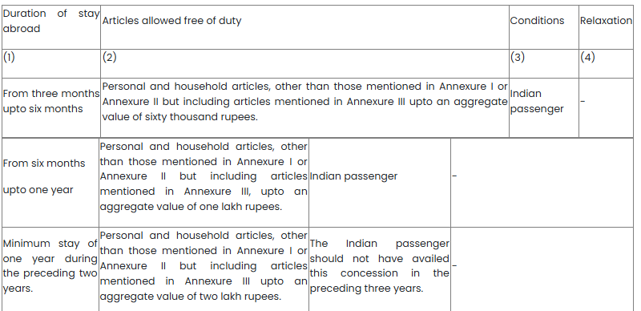

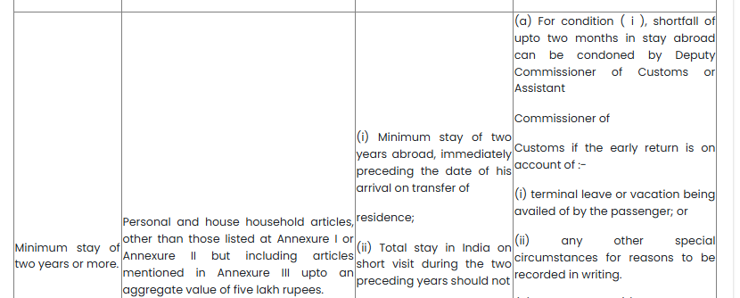

 | 1. Substituted ( w.e.f 1-4-2016)by Notification No. 43/2016-Cus. (N.T.), dated 31-3-2016

Rule 7. Currency. - | The import and export of currency under these rules shall be governed in accordance with the provisions of the Foreign Exchange Management (Export and Import of Currency) Regulations, 1 [2015],and the notifications issued thereunder.

 | 1. Substituted ( w.e.f 1-4-2016) by Notification No. 43/2016-Cus. (N.T.), dated 31-3-2016.

Rule 8. Provisions regarding unaccompanied baggage. - | (1) These rules shall apply to unaccompanied baggage except where they have been specifically excluded:

 | Provided that the said unaccompanied baggage had been in the possession, abroad, of the passenger and is dispatched within one month of his arrival in India or within such further period as the Deputy Commissioner of Customs or Assistant Commissioner of Customs may allow:

 | Provided further that the said unaccompanied baggage may land in India upto two months before the arrival of the passenger or within such period, not exceeding one year, as the Deputy Commissioner of Customs or Assistant Commissioner of Customs may allow, for reasons to be recorded, if he is satisfied that the passenger was prevented from arriving in India within the period of two months due to circumstances beyond his control, such as sudden illness of the passenger or a member of his family, or natural calamities or disturbed conditions or disruption of the transport or travel arrangements in the country or countries concerned or any other reasons, which necessitated a change in the travel schedule of the passenger.

Rule 9. Application of these rules to members of the crew .- | (1) These rules shall also apply to the members of the crew engaged in a foreign going conveyance for importation of their baggage at the time of final pay off on termination of their engagement.

 | (2) Notwithstanding anything contained in sub-rule (1), a member of crew of a vessel or an aircraft other than those referred to in sub-rule (1), shall be allowed to bring articles like chocolates, cheese, cosmetics and other petty gift items for their personal or family use which shall not exceed the value of one thousand and five hundred rupees.

ANNEXURE-I (See rule 3, 4 and 6) | 1. Firearms.

 | 2. Cartridges of fire arms exceeding 50.

 | 3. Cigarettes exceeding 100 sticks or cigars exceeding 25 or tobacco exceeding 125 gms .

 | 4. Alcoholic liquor or wines in excess of two liters .

 | 5. Gold or silver in any form other than ornaments.

 | 6. Flat Panel (Liquid Crystal Display/Light-Emitting Diode/ Plasma) television.

ANNEXURE II (See rule 6) | 1. Colour Television.

 | 2. Video Home Theatre System.

 | 3. Dish Washer.

 | 1 [4.Domestic Refrigerators of capacity above 300 litres or its equivalent.]

 | 5. Deep Freezer.

 | 6. Video camera or the combination of any such Video camera with one or more of the following goods, namely:-

 | (a) television receiver;

 | (b) sound recording or reproducing apparatus;

 | (c) video reproducing apparatus.

 | 7. Cinematographic films of 35mm and above.

 | 8. Gold or Silver, in any form, other than ornaments

 | 1. Substituted ( w.e.f 1-4-2016) by Notification No. 43/2016-Cus. (N.T.), dated 31-3-2016

ANNEXURE III (See rule 6) | 1. Video Cassette Recorder or Video Cassette Player or Video Television Receiver or Video Cassette Disk Player.

 | 2. Digital Video Disc player.

 | 3. Music System.

 | 4. Air-Conditioner.

 | 5. Microwave Oven.

 | 6. Word Processing Machine.

 | 7. Fax Machine.

 | 8. Portable Photocopying Machine.

 | 9. Washing Machine.

 | 10. Electrical or Liquefied Petroleum Gas Cooking Range

 | 11. Personal Computer (Desktop Computer)

 | 12. Laptop Computer (Note book Computer)

 | 13. Domestic Refrigerators of capacity up to 300 litres or its equivalent.

